graph
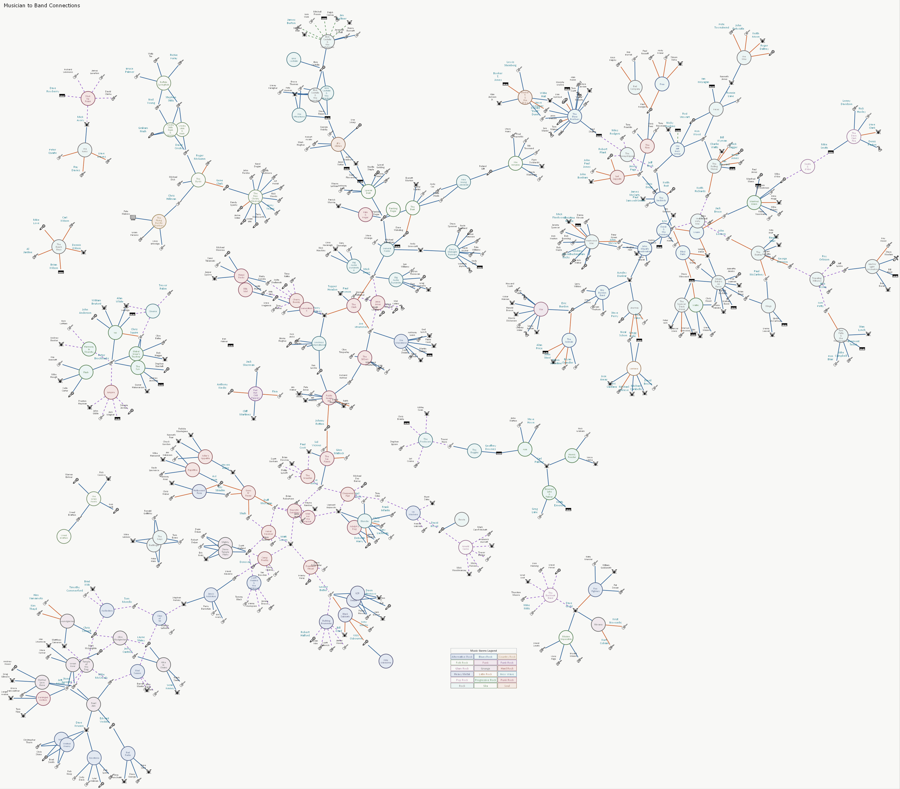

styles
Style Name | Description | Format | Style Type | All Styles | No Clusters | No Edges
node |  |  | node | yes | yes | yes
edge |  |  | edge | yes | yes | no
subgraph-open |  |  | subgraph-open | yes | no | yes | 
subgraph-close |  |  | subgraph-close | yes | no | yes
keyword |  |  | keyword | yes | yes | yes
native |  |  | native | yes | yes | yes
instrument_bass | Provides low‑end foundation through rhythmic, melodic bass lines that anchor the band’s groove. | shape=none height="0.25" width="0.25" fixedsize=True fontname=Calibri fontsize=8 image="guitar-bass.png" imagescale=True fontcolor="#333333" | node | yes | yes | yes
instrument_drums | Drives the rhythm with percussive patterns, dynamic accents, and the core beat structure. | shape=none height="0.25" width="0.25" fixedsize=True fontname=Calibri fontsize=8 fontcolor="#333333" image="drums-dark.png" imagescale=True | node | yes | yes | yes
instrument_flute | Adds airy melodic lines, tonal color, and expressive ornamentation through flute performance. | shape=none height="0.25" width="0.25" fixedsize=True fontname=Calibri fontsize=8 image="flute.png" imagescale=True fontcolor="#333333" | node | yes | yes | yes
instrument_guitar | Shapes the band’s harmonic and melodic identity with riffs, chords, solos, and textural layers. | shape=none height="0.25" width="0.25" fixedsize=True fontname=Calibri fontsize=8 image="electric-guitar.png" imagescale=True fontcolor="#333333" | node | yes | yes | yes
instrument_harmonica | Delivers expressive bends, blues‑inflected phrases, and distinctive tonal color via harmonica. | shape=none height="0.25" width="0.25" fixedsize=True fontname=Calibri fontsize=8 image="harmonica.png" imagescale=True fontcolor="#333333" | node | yes | yes | yes
instrument_keyboards | Expands the sonic palette with piano, organ, and synth textures, harmonies, and atmospheric layers. | shape=none height="0.25" width="0.25" fixedsize=True fontname=Calibri fontsize=8 fontcolor="#333333" image="synthesizer.png" imagescale=True | node | yes | yes | yes
instrument_pedal steel | Contributes gliding, emotive lines and country‑inflected tonal character through pedal‑steel guitar. | shape=none height="0.25" width="0.25" fixedsize=True fontname=Calibri fontsize=8 image="steel-guitar.png" imagescale=True fontcolor="#333333" | node | yes | yes | yes
instrument_saxophone | Adds bold melodic phrasing, improvisational lines, and dynamic tonal contrast with saxophone. | shape=none height="0.25" width="0.25" fixedsize=True fontname=Calibri fontsize=8 image="saxophone.png" imagescale=True fontcolor="#333333" | node | yes | yes | yes
instrument_trombone | Supplies warm, brassy depth, punchy accents, and harmonic support through trombone performance. | shape=none height="0.25" width="0.25" fixedsize=True fontname=Calibri fontsize=8 image="trombone.png" imagescale=True fontcolor="#333333" | node | yes | yes | yes
instrument_trumpet | Delivers bright, cutting melodies, fanfare‑like lines, and dynamic brass presence with trumpet. | shape=none height="0.25" width="0.25" fixedsize=True fontname=Calibri fontsize=8 image="trumpet.png" imagescale=True fontcolor="#333333" | node | yes | yes | yes
instrument_violin | Provides expressive bowed melodies, string textures, and classical or folk‑inflected tonal color. | shape=none height="0.25" width="0.25" fixedsize=True fontname=Calibri fontsize=8 image="fiddle.png" imagescale=True fontcolor="#333333" | node | yes | yes | yes
instrument_vocals | Serves as the primary voice of the band, conveying melody, emotion, and lyrical narrative. | shape=none height="0.25" width="0.25" fixedsize=True fontname=Calibri fontsize=8 image="vocalist.png" imagescale=True fontcolor="#333333" | node | yes | yes | yes
hall_of_famer | Rock musician or band formally recognized for lifetime achievement, cultural impact, and enduring influence on the genre. | fontsize=10 fontcolor="#006B7A" fontname=Calibri | node | yes | yes | yes
relationship_member_of | Musician serving as an official, credited member contributing to the band’s core recordings and identity. | color="#336699" penwidth=2 arrowsize="0.5" fontname=Calibri fontsize=8 | edge | yes | yes | no
relationship_side_project_with | Collaboration formed outside the musicians’ primary bands, exploring alternate styles, experiments, or short‑term creative ventures. | style=dashed color="#9966CC" penwidth=2 arrowsize="0.5" fontname=Calibri fontsize=8 | edge | yes | yes | no
relationship_founding_member_of | Musician who helped originate the band, shaping its initial lineup, direction, and early creative identity. | color="#CC6633" penwidth=2 arrowsize="0.5" fontname=Calibri fontsize=8 | edge | yes | yes | no
relationship_guest_performer_with | Musician appearing in a limited, non‑member role, contributing one‑off performances, cameos, or special appearances. | style=dashed color="#669966" penwidth=2 arrowsize="0.5" fontname=Calibri fontsize=8 | edge | yes | yes | no
relationship_touring_member_of | Musician performing live with the band without full membership, supporting tours, concerts, and stage‑focused lineups. | color="#CC6666" penwidth=2 arrowsize="0.5" fontname=Calibri fontsize=8 | edge | yes | yes | no
genre_alternative_rock | A broad non-mainstream rock category defined by eclectic influences & a rejection of commercial formulas. | shape=circle height="0.625" width="0.625" fixedsize=True fillcolor="#E6EBF5" color="#5A6E91" penwidth=2 fontname=Calibri fontsize=8 fontcolor="#5A6E91" style=filled | node | yes | yes | yes
genre_blues_rock | Rock rooted in blues scales & phrasing emphasizing expressive guitar work & soulful rhythms. | shape=circle height="0.625" width="0.625" fixedsize=True fillcolor="#EBF0FA" color="#506996" penwidth=2 fontname=Calibri fontsize=8 fontcolor="#506996" style=filled | node | yes | yes | yes
genre_country_rock | Rock infused with country rhythms storytelling & twang-oriented instrumentation. | shape=circle height="0.625" width="0.625" fixedsize=True fillcolor="#F5F0E1" color="#A08C5F" penwidth=2 fontname=Calibri fontsize=8 fontcolor="#A08C5F" style=filled | node | yes | yes | yes
genre_folk_rock | Rock instrumentation combined with folk-style songwriting harmonies & acoustic textures. | shape=circle height="0.625" width="0.625" fixedsize=True fillcolor="#F0F5E6" color="#7D9169" penwidth=2 fontname=Calibri fontsize=8 fontcolor="#7D9169" style=filled | node | yes | yes | yes
genre_funk | A groove-centered genre built on syncopated rhythms prominent bass lines & a dance-oriented feel. | shape=circle height="0.625" width="0.625" fixedsize=True fillcolor="#F5EBF0" color="#966987" penwidth=2 fontname=Calibri fontsize=8 fontcolor="#966987" style=filled | node | yes | yes | yes
genre_funk_rock | Rock fused with funk rhythms emphasizing syncopated bass lines groove & high-energy performance. | shape=circle height="0.625" width="0.625" fixedsize=True fillcolor="#F0E6F0" color="#875F96" penwidth=2 fontname=Calibri fontsize=8 fontcolor="#875F96" style=filled | node | yes | yes | yes
genre_glam_rock | Theatrical flamboyant rock blending catchy pop hooks with bold visual style. | shape=circle height="0.625" width="0.625" fixedsize=True fillcolor="#FAF0F5" color="#9B7891" penwidth=2 fontname=Calibri fontsize=8 fontcolor="#9B7891" style=filled | node | yes | yes | yes
genre_grunge | A fusion of punk & heavy rock marked by distorted guitars gritty textures & angst-driven lyrics. | shape=circle height="0.625" width="0.625" fixedsize=True fillcolor="#EBEBEB" color="#6E6E6E" penwidth=2 fontname=Calibri fontsize=8 fontcolor="#6E6E6E" style=filled | node | yes | yes | yes
genre_hard_rock | Guitar-driven rock characterized by heavy riffs strong backbeats & an aggressive sound. | shape=circle height="0.625" width="0.625" fixedsize=True fillcolor="#F5E6E6" color="#965F5F" penwidth=2 fontname=Calibri fontsize=8 fontcolor="#965F5F" style=filled | node | yes | yes | yes
genre_heavy_metal | Loud intense rock defined by powerful riffs high energy & a darker more aggressive tone. | shape=circle height="0.625" width="0.625" fixedsize=True fillcolor="#E6E6F0" color="#5F5F82" penwidth=2 fontname=Calibri fontsize=8 fontcolor="#5F5F82" style=filled | node | yes | yes | yes
genre_latin_rock | Rock blended with Latin rhythms percussion & melodic traditions from Latin American music. | shape=circle height="0.625" width="0.625" fixedsize=True fillcolor="#FAF0E6" color="#A5825F" penwidth=2 fontname=Calibri fontsize=8 fontcolor="#A5825F" style=filled | node | yes | yes | yes
genre_new_wave | A polished modern evolution of punk emphasizing melody rhythm & synth-friendly production. | shape=circle height="0.625" width="0.625" fixedsize=True fillcolor="#EBF5F5" color="#558287" penwidth=2 fontname=Calibri fontsize=8 fontcolor="#558287" style=filled | node | yes | yes | yes
genre_pop_rock | Melodic radio-friendly rock that emphasizes catchy hooks clean production & broad accessibility. | shape=circle height="0.625" width="0.625" fixedsize=True fillcolor="#FAF5FA" color="#A082A5" penwidth=2 fontname=Calibri fontsize=8 fontcolor="#A082A5" style=filled | node | yes | yes | yes
genre_progressive_rock | Complex ambitious rock featuring extended compositions technical musicianship & experimental structures. | shape=circle height="0.625" width="0.625" fixedsize=True fillcolor="#EBF5EB" color="#5F875F" penwidth=2 fontname=Calibri fontsize=8 fontcolor="#5F875F" style=filled | node | yes | yes | yes
genre_psychedelic_rock | Mind‑bending rock driven by trippy soundscapes, swirling guitars, altered states of tonality, and a free‑form, exploratory vibe. | shape=circle height="0.625" width="0.625" fixedsize=True fillcolor="#F5F0FA" color="#876EA0" penwidth=2 fontname=Calibri fontsize=8 fontcolor="#876EA0" style=filled | node | yes | yes | yes
genre_punk_rock | Fast raw minimalist rock built on simplicity attitude & anti-establishment energy. | shape=circle height="0.625" width="0.625" fixedsize=True fillcolor="#F5E6EB" color="#965A6E" penwidth=2 fontname=Calibri fontsize=8 fontcolor="#965A6E" style=filled | node | yes | yes | yes
genre_rock | A foundational guitar-based genre built on strong rhythms melodic hooks & wide stylistic range. | shape=circle height="0.625" width="0.625" fixedsize=True fillcolor="#F0F0F0" color="#787878" penwidth=2 fontname=Calibri fontsize=8 fontcolor="#787878" style=filled | node | yes | yes | yes
genre_ska | A rhythm-driven Jamaican genre featuring off-beat guitar patterns upbeat tempos & brass-heavy arrangements. | shape=circle height="0.625" width="0.625" fixedsize=True fillcolor="#F0FAF0" color="#5F875F" penwidth=2 fontname=Calibri fontsize=8 fontcolor="#5F875F" style=filled | node | yes | yes | yes
genre_soul | A vocal-driven genre blending gospel R & B & pop with emotional delivery & groove-centered arrangements. | shape=circle height="0.625" width="0.625" fixedsize=True fillcolor="#F5EBE1" color="#96735A" penwidth=2 fontname=Calibri fontsize=8 fontcolor="#96735A" style=filled | node | yes | yes | yes
legend node | Shows the visual meaning of node colors, icons, and line styles, identifying each entity type and relationship category used throughout the diagram. | shape=none | node | yes | yes | yes

sql
 | SQL SELECT Statement | Data File | Status

# | Specify the workbook containing the data |  | SKIPPED
 | SET DATA FILE | musicians.xlsx | SUCCESS

# | Clear the 'data' worksheet |  | SKIPPED
 | RESET |  | SUCCESS

 | SELECT 'legend' AS [ITEM], 'Legend' AS [TOOLTIP], "<<font face='Calibri' point-size='10' color='#333333' > <table border='0' cellborder='1' cellspacing='2' color='#B3B3B3'> <tr> <td colspan='3' align='center'><B>Music Genre Legend</B></td> </tr> <tr> <td bgcolor='#E6EBF5' color='#5A6E91' ><font color='#5A6E91'>Alternative Rock</font></td> <td bgcolor='#EBF0FA' color='#506996' ><font color='#506996'>Blues Rock</font></td> <td bgcolor='#F5F0E1' color='#A08C5F' ><font color='#A08C5F'>Country Rock</font></td> </tr> <tr> <td bgcolor='#F0F5E6' color='#7D9169' ><font color='#7D9169'>Folk Rock</font></td> <td bgcolor='#F5EBF0' color='#966987' ><font color='#966987'>Funk</font></td> <td bgcolor='#F0E6F0' color='#875F96' ><font color='#875F96'>Funk Rock</font></td> </tr> <tr> <td bgcolor='#FAF0F5' color='#9B7891' ><font color='#9B7891'>Glam Rock</font></td> <td bgcolor='#EBEBEB' color='#6E6E6E' ><font color='#6E6E6E'>Grunge</font></td> <td bgcolor='#F5E6E6' color='#965F5F' ><font color='#965F5F'>Hard Rock</font></td> </tr> <tr> <td bgcolor='#E6E6F0' color='#5F5F82' ><font color='#5F5F82'>Heavy Metal</font></td> <td bgcolor='#FAF0E6' color='#A5825F' ><font color='#A5825F'>Latin Rock</font></td> <td bgcolor='#EBF5F5' color='#558287' ><font color='#558287'>New Wave</font></td> </tr> <tr> <td bgcolor='#FAF5FA' color='#A082A5' ><font color='#A082A5'>Pop Rock</font></td> <td bgcolor='#EBF5EB' color='#5F875F' ><font color='#5F875F'>Progressive Rock</font></td> <td bgcolor='#F5E6EB' color='#965A6E' ><font color='#965A6E'>Punk Rock</font></td> </tr> <tr> <td bgcolor='#F0F0F0' color='#787878' ><font color='#787878'>Rock</font></td> <td bgcolor='#F0FAF |  | SUCCESS
# | Create the edges between Band and Musician |  | SKIPPED
 | SELECT [Band] AS [Item], [Musician] AS [Related Item], 'relationship_' & [Relationship] AS [Style Name], [Musician] & Chr(10) & replace([Relationship], "_", " ") & Chr(10) & [Band] AS [Tooltip] FROM [musician-to-band$] ORDER BY [Band] ASC, [Musician] ASC |  | SUCCESS

✎
▶
# | Create the musician nodes |  | SKIPPED
 | SELECT DISTINCT [Musician] AS [Item], '""' AS [Label], IIf( [AKA] IS NULL, Replace([Musician], " ", "\n"), Replace([AKA], " ", "\n")) AS [External Label], [Musician] & IIf( [AKA] IS NOT NULL, ' -aka- ' & [AKA], '' ) & ' | ' & [Role] & Chr(10) & IIf( [BirthYear]='Unknown', "", [BirthYear] ) & "-" & IIf([DeathYear]='Unknown',"",[DeathYear]) & Chr(10) & [Country] & Chr(10) & Chr(10) & IIf([InRnRHallOfFame]='Yes', "In the Rock & Roll Hall of Fame with " & [InRnRHallOfFameWith], "" ) AS [Tooltip], 'instrument_' & [PrimaryInstrument] AS [Style Name], IIF([PrimaryInstrument] IS NULL, '', 'instrument="' & [PrimaryInstrument] & '" ') & IIF([Role] IS NULL, '', 'role="' & [Role] & '" ') & IIF([YearsActive] IS NULL, '', 'years_active="' & [YearsActive] & '" ') & IIF([Country] IS NULL, '', 'country="' & [Country] & '" ') & 'hall_of_fame=' & IIF([InRnRHallOfFame]='Yes','true','false') AS [Properties] FROM [musician$] ORDER BY [Musician] ASC |  | SUCCESS

# | Create the Band nodes |  | SKIPPED
 | SELECT DISTINCT [Band] AS [Item], replace([Band]," ","\n") AS [Label], 'genre_' & lcase(replace([genre]," ","_")) AS [Style Name], [Band] & ' | ' & [Origin] & Chr(10) & [Genre] & ' ' & [Band Type] & Chr(10) & [Years Active] & Chr(10) & Chr(10) & [Description] AS [Tooltip], IIF([Genre] IS NULL, '', 'genre="' & [Genre] & '" ') & IIF([Origin] IS NULL, '', 'origin="' & [Origin] & '" ') & IIF([Years Active] IS NULL, '', 'years_active="' & [Years Active] & '" ') & IIF([Band Type] IS NULL, '', 'band_type="' & [Band Type] & '"') AS [Properties] FROM [band$] ORDER BY [Band] ASC |  | SUCCESS

# | Embellish the styling of Rock and Roll Hall of Fame members |  | SKIPPED
 | SELECT DISTINCT [Musician] AS [Item], 'hall_of_famer' AS [Style Name] FROM [musician$] WHERE [InRnRHallOfFame] = 'Yes' |  | SUCCESS

# | Place a title on the graph |  | SKIPPED
 | SELECT 'graph' AS [Item], 'Musician to Band Connections' AS [Label], 'labelloc=top labeljust=left fontname=verdana fontsize=16' AS [Attributes] |  | SUCCESS

# | Preview / Publish the graphs |  | SKIPPED

 | PREVIEW |  | SUCCESS
 | PUBLISH |  | SUCCESS

